Introduction
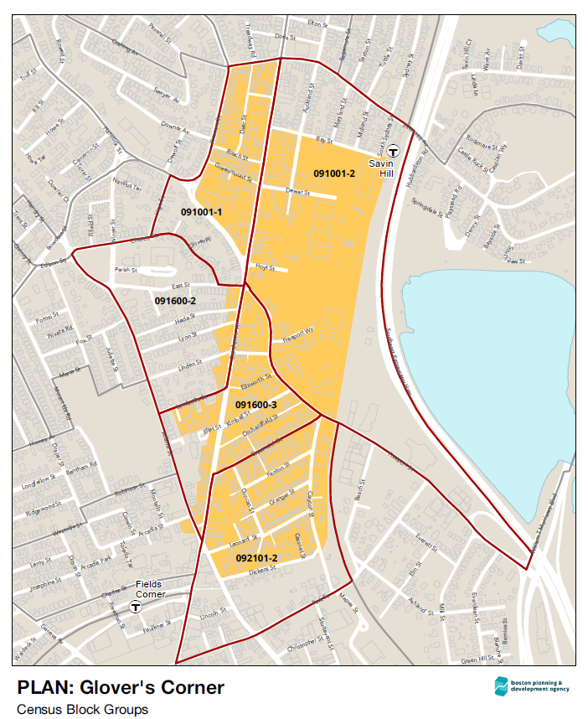
Glover's Corner Data
The data here were used to create the data packet. The spreadsheet also includes additional information that we have not created a summarized data packet for yet and other more detailed information. This data may be updated with new information or updated information; any updates will be marked clearly with the date. Due to the relatively small scale of the Block Groups, data may have large margins of error.
Glover's Corner Block group data for 2010 and later come from 5 Census Block Groups: Tract 910.01 Block Groups 1 & 2; Tract 916 Block Groups 2 & 3; Tract 921.01 Block Group 2.
Block Group boundaries were redrawn between 2000 and 2010. The closest corresponding 2000 Glover's Corner Block Groups are Census Tract 910 Block Groups 3 & 4; Tract 916 Block Groups 2 & 3; and Tract 921 Block Group 5.
The Census Tracts that make up Dorchester are shown on the second map.

To read the data packet, please go to the Resources link on our website bit.ly/planglovers
For questions about the data, please contact Marie Mercurio at marie.mercurio@boston.gov

Maps created by BPDA Office of GIS and Digital Cartography
Data prepared by BPDA Research Division Analysis and PLAN: Glover's Corner Planning Team

Data Pulled and Checked by BPDA Research Division on 4/2/18

